清单
NO | ENGLISH NAME OF GOODS | MANUFACTURER | MODEL NO (Ex: abc-123) | SERIAL NUMBER | VOLTAGE (Ex: 220V) | CAPACITY (Ex :1200KW) | PRODUCTION DATE (yyyy-mm-dd) | HS CODE | ORIGIN OF GOODS | NEW or USED | PICTURE (BEFORE PACKING) | PICTURE (NAME PLATE) | QUANTITY | CARTON NUMBER | QUANTITY PER CARTON | G.W(KGS) | N.W(KGS) | L(cm) | W(cm) | H(cm) | CBM | 应用范围 | 是否带电源 | 是否自行制造
1 | Screw | Techsen electronic(shenzhen)co.,Ltd | NO | NO | NO | NO | 2021-10-25 | 73181590 | CHINA | NEW |  | NO | 4920 | A1 | 1 | 23 | NO | 250 | 120 | 160 | 0.0048 | tooling process | NO | Yes
2 | Tooling screw | Techsen electronic(shenzhen)co.,Ltd | NO | NO | NO | NO | 2021-10-25 | 73181590 | CHINA | NEW | 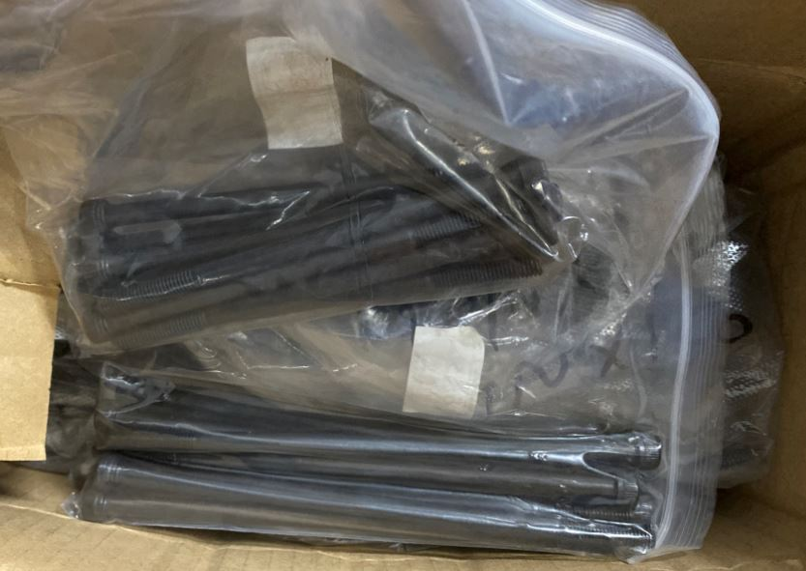 | NO | 164 | A2 | 1 | 11.05 | NO | 250 | 220 | 190 | 0.01045 | tooling process | NO | Yes
3 | Spring | Techsen electronic(shenzhen)co.,Ltd | NO | NO | NO | NO | 2021-10-25 | 73202090 | CHINA | NEW | 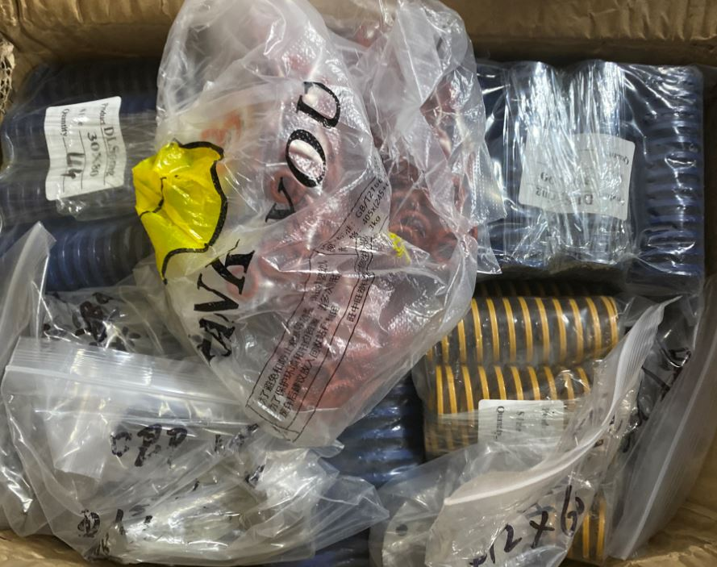 | NO | 717 | A1 | 1 | 20.5 | NO | 340 | 220 | 210 | 0.015708 | tooling process | NO | Yes
4 | Tooling insert | Techsen electronic(shenzhen)co.,Ltd | NO | NO | NO | NO | 2021-10-25 | 73269099 | CHINA | NEW |  | NO | 29 | A4 | 1 | 5.95 | NO | 300 | 150 | 100 | 0.0045 | tooling process | NO | Yes
5 | Fixture | Techsen electronic(shenzhen)co.,Ltd | NO | NO | NO | NO | 2021-10-25 | 76169959 | CHINA | NEW | 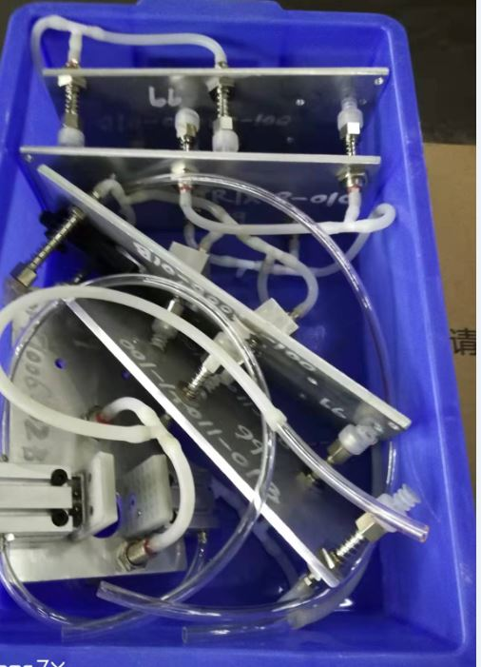 | NO | 5 | A5 | 1 | 3KG | NO | 500 | 400 | 200 | 0.04 | tooling process | NO | Yes

